COLOMBIA
COLOMBIA

PHOTO | DESCRIPTION | Grade | MODEL | Gender | RETAIL PRICE | Q.TY | YOUR PRICE | XS | S | M | L | XL | XXL | XXXL | XXXXL
 | COLUMBIA Whidbey Island™ Jacket W | A | 1157416-Nocturnal-Eve | W | € 120.00 | 1,537 | £38.94 | 51 | 225 | 453 | 522 | 286 | 0 | 0 | 0
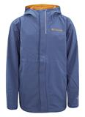 | COLUMBIA Whibdey Island Jacket Jr | A | 1142640-Dark-Mountain-Canyon | J | € 90.00 | 1,017 | £26.94 | 0 | 318 | 302 | 169 | 228 | 0 | 0 | 0
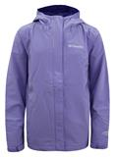 | COLUMBIA Whibdey Island Jacket Jr | A | 1142640-Fairytale-solid-Clem | J | € 90.00 | 886 | £26.94 | 0 | 181 | 221 | 263 | 221 | 0 | 0 | 0
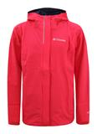 | COLUMBIA Whibdey Island Jacket Jr | A | 1142640-Red-Kamellia-Navy-Zi | J | € 90.00 | 816 | £26.94 | 0 | 219 | 241 | 156 | 200 | 0 | 0 | 0
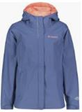 | COLUMBIA Morning Trail Jacket Jr | A | 1122313-Bluebell-Hot coral | J | € 90.00 | 691 | £26.94 | 0 | 183 | 275 | 130 | 103 | 0 | 0 | 0
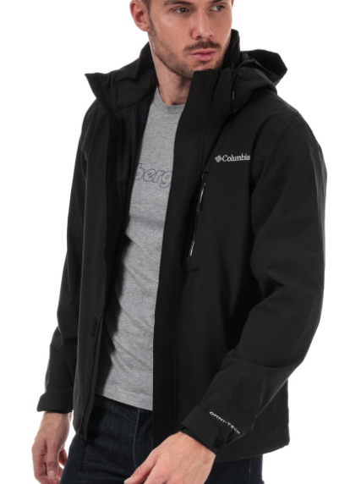 | COLUMBIA Whidbey Island™ Jacket Mns | A | 1157415-BLACK | M | € 120.00 | 540 | £38.94 | 0 | 0 | 13 | 95 | 73 | 51 | 130 | 178
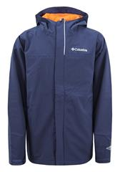 | COLUMBIA Whibdey Island Jacket Jr | A | 1142640-Collegiate-Navy-Sola | J | € 90.00 | 341 | £26.94 | 0 | 253 | 88 | 0 | 0 | 0 | 0 | 0
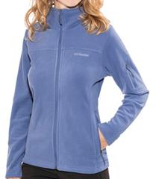 | COLUMBIA Fast Trek II Jacket W / Fast Tr | A | 1116791-Nocturnal | W | € 70.00 | 222 | £20.94 | 0 | 0 | 0 | 0 | 0 | 111 | 111 | 0
 | COLUMBIA Whidbey Island Jacket W | A | 1146150-Nocturnal | W | € 120.00 | 191 | £38.94 | 0 | 0 | 0 | 0 | 0 | 0 | 191 | 0
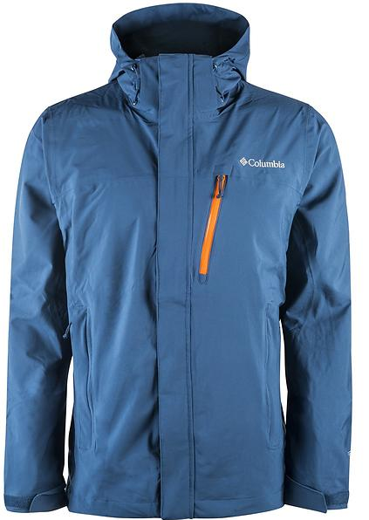 | COLUMBIA Whidbey Island Jacket Mns | A | 1146151-Carbon-Heatwave-Zipp | M | € 120.00 | 189 | £38.94 | 0 | 0 | 0 | 0 | 0 | 0 | 0 | 189
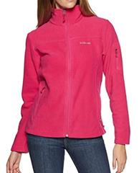 | COLUMBIA Fast Trek II Jacket W / Fast Tr | A | 1116791-Cactus-Pink | W | € 70.00 | 124 | £20.94 | 0 | 0 | 0 | 0 | 0 | 51 | 73 | 0
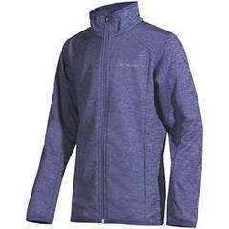 | COLUMBIA Jackson Creek Jacket Jr / Jacks | A | 1120449-Eve | J | € 50.00 | 101 | £16.14 | 0 | 5 | 0 | 0 | 96 | 0 | 0 | 0
 |  |  |  |  |  | 6,655 |  | 51 | 1,384 | 1,593 | 1,335 | 1,207 | 213 | 505 | 367

